Datasheet
Test Script ID: | E-205 / I-024
Test Script Name: | DRS Redistribution and Transmittal
Test Set: | Benefits
Test Scenario: | Process Benefits
Test Case: | DRS Redistribution
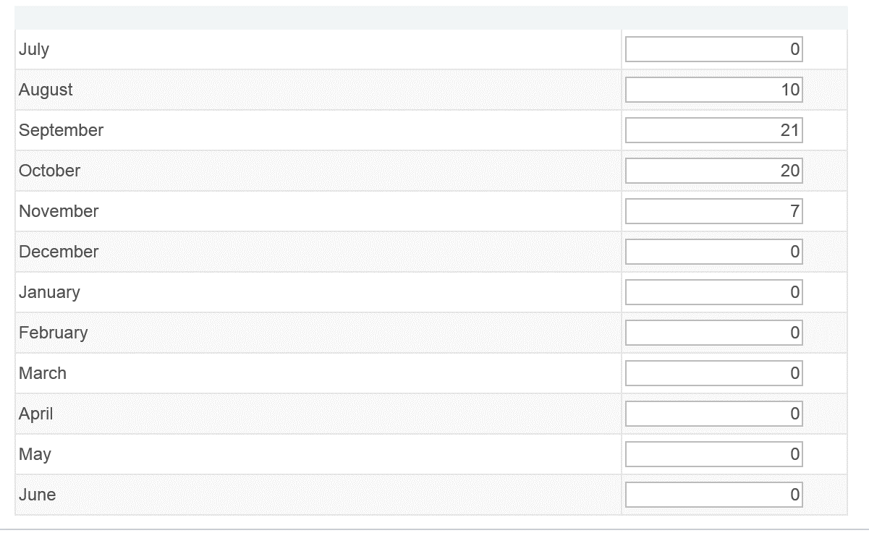
DRS Calendar Creation
Concatenation of Test Conditions | Iteration # | Expected Pass/Fail | Iteration Result (Pass/Fail) | Test Step # where Fail was encountered | Browser | Security Role | Company | Calendar ID | Effective Date | Employee Class | Description | Fiscal Year | Full Time Hrs/Day | Hours/Day Indicator
 | 1 | Pass |  |  | Any | Payroll Administrator - 170 | 170 | A1 | 2014-07-01 | CLA - Classified | Classified -170 | 2015 | 8 | Days
 | 2 | Pass |  |  | Any | Payroll Administrator - 220 | 220 | A2 | 2014-07-01 | CLA - Classified | Classified -220 | 2015 | 8 | Days
 | 3 | Pass |  |  | Any | Payroll Administrator - 170 | 170 | A3 | 2014-07-01 | FAC- Faculty | Faculty -170 | 2015 | 8 | Hours
 | 4 | Pass |  |  | Any | Payroll Administrator - 220 | 220 | A4 | 2014-07-01 | FAC- Faculty | Faculty -220 | 2015 | 8 | Hours

Attach DRS Calendar to Employee
Concatenation of Test Conditions | Iteration # | Expected Pass/Fail | Iteration Result (Pass/Fail) | Test Step # where Fail was encountered | Browser | Security Role | Employee ID | Insert Term Row on Job EFF DATE | DRS Calendar | Contract Begin Date | Contract End Date
 | 1 | Pass |  |  | Any | Workforce Analyst | 101000503 | 2014-12-01 | A1 | 2014-01-01 | 2014-12-01
 | 2 | Pass |  |  | Any | Workforce Analyst | 101000515 | 2014-12-10 | A2 | 2014-01-01 | 2014-12-10
 | 3 | Pass |  |  | Any | Workforce Analyst | 101000523 | 2014-12-15 | A3 | 2014-01-01 | 2014-12-15
 | 4 | Pass |  |  | Any | Workforce Analyst | 101000520 | 2014-12-30 | A4 | 2014-01-01 | 2014-12-30
 | 5 | Pass |  |  | Any | Workforce Analyst | 101000566 | 2014-12-31 | A4 | 2014-01-01 | 2014-12-31

DRS Load to Payroll and DRS Redistribution
Concatenation of Test Conditions | Iteration # | Expected Pass/Fail | Iteration Result (Pass/Fail) | Test Step # where Fail was encountered | Browser | Security Role | Run Control ID | Company | Pay End Date
 | 1 | Pass |  |  | Any | Benefit Analyst - 170 | DRSLOAD | 170 | 2014-12-15
 | 2 | Pass |  |  | Any | Benefit Analyst - 220 | DRSLOAD | 220 | 2014-12-15

Manual Adjustments
Concatenation of Test Conditions | Iteration # | Expected Pass/Fail | Iteration Result (Pass/Fail) | Test Step # where Fail was encountered | Browser | Security Role | Employee ID | Transaction Date | Separation Date | Earnings | Deductions | Contributions | Hours/Days
 | 1 | Pass |  |  | Any | Benefit Analyst | 101000632 | 2014-12-31 | 2014-12-15 | 10000
 | 2 | Pass |  |  | Any | Benefit Analyst | 101000636 | 2014-12-31 |  |  | 5000
 | 3 | Pass |  |  | Any | Benefit Analyst | 101000638 | 2014-12-31 |  |  |  | 1000
 | 4 | Pass |  |  | Any | Benefit Analyst | 101000641 | 2014-12-31 |  |  |  |  | 100

DRS Transmittal
Concatenation of Test Conditions | Iteration # | Expected Pass/Fail | Iteration Result (Pass/Fail) | Test Step # where Fail was encountered | Browser | Security Role | Run Control ID | Pay End Date
 | 1 | Pass |  |  | Any | HCM Config Specialist | DRSTRAN | 2014-11-15

